Risk Matrix
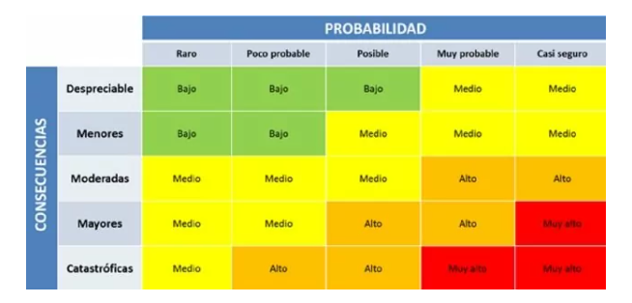
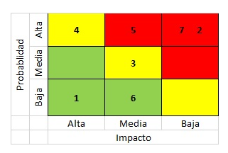
ID | Risk Description | Risk Type | Release | Probability | Impact | Riesgo | Risk | Action | Action Plan
1 | Delays in the configuration of the tools required for the project. | Project | 1 | 3 | 3 | 9 | 9 | Mitigate | Identify the tools required for the project and create a list of dependencies. Review the availability and compatibility of the tools with the project requirements. Assign a dedicated team member responsible for configuring the tools and ensuring timely delivery.
2 | Failure to handle exceptions in data entry fields. | Product | 1 | 4 | 4 | 16 | 16 | Mitigate | Establish validation rules and implement error-handling mechanisms to ensure proper handling of exceptions.
3 | Failure to complete the project due to poor resource estimation. | Project | 1 | 3 | 5 | 15 | 15 | Contingency | Implement a contingency plan to address any resource shortages or delays, including adjusting the project timeline or increasing resources.
4 | Test environment misconfiguration | Project | 1 | 3 | 4 | 12 | 12 | Contingency | Have access to documentation that allows step-by-step configuration of the test environment to reduce the chance of failure.
5 | Difficulty navigating the website due to unclear or confusing navigation structure. | Product | 1 | 3 | 3 | 9 | 9 | Assume | It is recommended to ask the PO for mockups of how they want the platform to look like.
6 | Lack of experience in the work team that could generate delays in planned deliveries. | Project | 1 | 3 | 5 | 15 | 15 | Mitigate | Develop a training plan to address knowledge gaps and provide team members with the necessary skills and expertise to execute their roles effectively. Assign a mentor or senior team member to work closely with less experienced team members to provide guidance and support. Implement a process for peer review and collaboration to ensure that work is of high quality and meets project requirements.
7 | Delays in the creation of the necessary environments for the project. | Project | 1 | 3 | 4 | 12 | 12 | Mitigate | Assign responsibility for creating and configuring the environments to specific team members with the necessary skills and expertise.
8 | Lack of source code documentation | Project | 1 | 2 | 3 | 6 | 6 | Assume
9 | Scope of testing not fully defined. | Product | 1 | 4 | 3 | 12 | 12 | Mitigate | Review the project requirements and identify the key functional and non-functional requirements that need to be tested. Develop a detailed test plan that includes test cases, test scripts, and test data. Prioritize the test cases based on their criticality and impact on the project.
10 | Relevant or critical test cases are not prioritized. | Product | 1 | 3 | 4 | 12 | 12 | Mitigate | Work with the project team to identify the critical test cases for each requirement, based on their impact on the project. Define a prioritization strategy for the test cases that takes into account the criticality and impact of each test case.
11 | Failure to meet delivery deadlines | Project | 1 | 4 | 3 | 12 | 12 | Mitigate | Identify the key milestones and deliverables that need to be met to achieve the delivery deadline. Break down the critical path activities into smaller tasks and estimate the time required to complete each task. Develop a detailed project schedule that includes all the tasks, milestones, and deliverables.
12 | Security vulnerabilities that jeopardize the data exposed on the platform. | Product | 1 | 3 | 4 | 12 | 12 | Mitigate | Implement security controls and best practices to minimize the likelihood of security breaches, such as encryption of sensitive data, secure authentication, and authorization mechanisms, regular security patches and updates, and access controls.
13 | Ineffective communication between team members can lead to errors and delays in the project. | Project | 1 | 3 | 4 | 12 | 12 | Assume | Define the communication channels of the work team and take advantage of the daily meetings to expose the impediments encountered.
14 | The work team may not be available at critical times of the project, which can lead to delays and quality problems. | Project | 1 | 3 | 4 | 12 | 12 | Mitigate | Identify the critical phases of the project and the specific roles and responsibilities of each team member during those phases.
15 | The project may not be scalable and may not be able to handle the expected load, especially if there are a large number of students and users accessing the system simultaneously. | Product | 1 | 2 | 4 | 8 | 8 | Mitigate | Conduct load testing and performance testing to identify any bottlenecks or performance issues in the system. Determine the estimated number of students and users accessing the system simultaneously and scale the system accordingly. Implement horizontal or vertical scaling techniques to accommodate increased traffic. Use cloud-based infrastructure services such as AWS or Google Cloud Platform to provide scalability and flexibility.

